Sheet4
9 | Given two datasets x = [10, 20, 30, 40, 50] and y = [5, 10, 15, 20, 25],
 | 9. Scatter Plot Visualization:
 | ● Create a scatter plot using both Excel/Python to visually inspect the correlation
 | between x and y.

x = [10, 20, 30, 40, 50] and y = [5, 10, 15, 20, 25],
y vs. x
x | y
10 | 5
20 | 10
30 | 15
40 | 20
50 | 25

Sheet5
10 | Box Plot Visualization:
 | ● Create a box plot for the dataset to visualize Q1, Q2, Q3, lower bound, upper
 | bound, and outliers.

 | Q1=14
 | Q2=17.5
 | Q3=20
 | IQR=6
 | LOWER BOUND=5
 | Upper bound=29
 | NO outliers
Q1=14
Q2= 17.5
Q3=20
UB=29
LB=5

Sheet8
 | 15. Z-test Calculation:
 | ● Given a sample mean of 25, population mean of 22, population standard deviation of 3, and sample size of 40, compute the Z-test statistic and interpret the results.

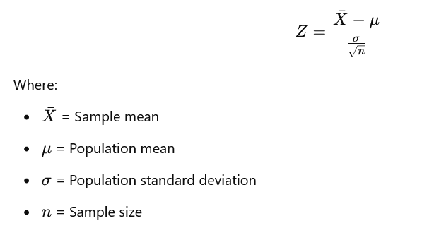

 |  | Z=(25-22)/(3/40^(1/2))
 |  | 6.32455532

 | The Z-test statistic is approximately 6.3 A Z-value of 6.3 is very large, meaning that the sample mean (25) is significantly higher than the population mean (22), and the difference is unlikely to be due to random chance. Conclusion: If we assume a significance level (α) of 0.05, the critical Z-value for a two-tailed test is approximately ±1.96. Since our computed Z-value (6.3) is much greater than 1.96, we reject the null hypothesis and conclude that the sample mean is significantly different from the population mean. This suggests that the sample provides strong evidence that the population mean is not 22.

16 | P-value Computation for Z-test:
 | ● Using a standard normal table, find the p-value corresponding to the Z-test statistic computed in the previous question and determine whether to reject the null hypothesis at α = 0.05.

 | Z=6.3

 | Look up the Z-value in the Z-table A Z-value of 6.3 is extremely large, and it is well beyond the typical range of values found in standard normal distribution tables, which generally provide values for Z-scores up to around 3.99. For such a large Z-value, the corresponding area to the right of it is effectively 0. In other words, the probability of observing a Z-score greater than 6.3 is so small that it is nearly zero.
 | The p-value is essentially very close to 0. The significance level (α) is given as 0.05. Since the p-value (≈ 0) is much smaller than the significance level (α=0.05), we reject the null hypothesis. The p-value is extremely small (essentially close to 0), which provides strong evidence to reject the null hypothesis. Therefore, at the 5% significance level (α=0.05), we reject the null hypothesis and conclude that the sample mean (25) is significantly different from the population mean (22).

Sheet9
17 | One Sample T-test: ● Given a sample of data = [45, 50, 55, 60, 62, 48, 52], test whether the mean is significantly different from 50 using a one-sample t-test.

 | Null Hypothesis (H₀): The population mean is 50. μ=50 Alternate Hypothesis (H₁): The population mean is not 50. μ=/50

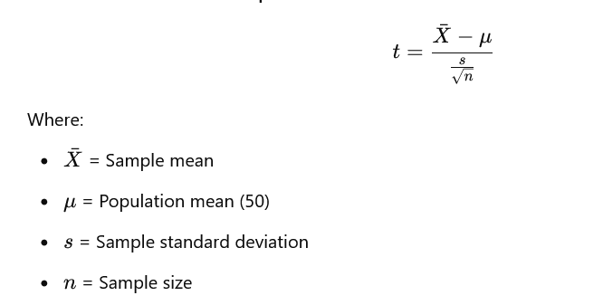

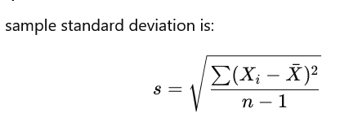
 |  | X | x~ | (Xi-X~)^2
 |  | 45 | 53.142 | 66.292164
 |  | 50 | 53.142 | 9.872164
 |  | 55 | 53.142 | 3.452164
 |  | 60 | 53.142 | 47.032164
 |  | 62 | 53.142 | 78.464164
 |  | 48 | 53.142 | 26.440164
 |  | 52 | 53.142 | 1.304164
 | sum |  |  | 232.857148
 | X~= | 53.14285714

 |  | s= | 16.63265343

 |  | t= | (53.142-50)/[16.632/7^(1/2)]
 |  |  | 1.322

 | Degrees of freedom (df) = n−1=7−1=6
 | We’ll use a two-tailed test with a significance level (α) of 0.05.
 | Using a t-distribution table or calculator, for df = 6 and α=0.05 (two-tailed), the critical t-value is approximately ±2.447.

 | Test statistic (t) ≈ 1.33 Critical t-value ≈ ±2.447 Since the calculated t-value (1.33) is within the range of -2.447 to +2.447, we fail to reject the null hypothesis. sample mean is significantly different from the population mean of 50 at the 0.05 significance level.

Sheet10
18 | Independent Sample T-test:
 | ● Two groups of students took a math test. Their scores are: ○ Group 1: [85, 90, 88, 92, 86] ○ Group 2: [78, 75, 80, 83, 79] ● Perform an independent sample t-test to determine if there is a significant difference between the means.

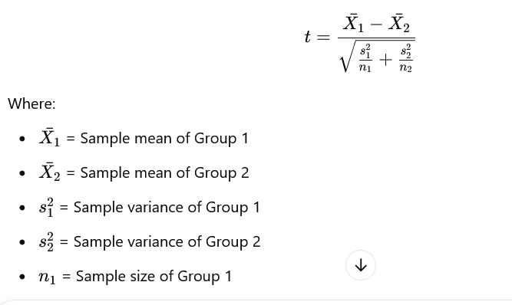

 | x1 | x2 | x1~ | x2~ | (x1-x1~)^2 | (x2-x2~)^2
 | 85 | 78 | 88.2 | 79 | 10.24 | 1
 | 90 | 75 | 88.2 | 79 | 3.24 | 16
 | 88 | 80 | 88.2 | 79 | 0.04 | 1
 | 92 | 83 | 88.2 | 79 | 14.44 | 16
 | 86 | 79 | 88.2 | 79 | 4.84 | 0
sum |  |  |  |  | 32.8 | 34
x1~ | 88.2 | 79

 | s1^2= | 32.8/(5-1)= 8.2
 | s2^2 | 34/(5-1)=8.5

 | t=(88.2-79)/sqrt(8.2/5+8.5/5)
 | t=5.03
 | Test statistic (t) ≈ 5.03 Critical t-value ≈ ±2.306 Since the test statistic (5.03) is greater than the critical t-value (2.306), we reject the null hypothesis.
 | significant difference between the means of Group 1 and Group 2 at the 0.05 significance level

19 | Critical T-value Lookup:
 | ● Using a t-table, find the critical t-value for α = 0.05 with degrees of freedom appropriate for question 18 and interpret the results

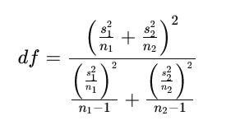

 | sing a two-tailed test and a significance level (α) of 0.05, the critical t-value for df = 8 is approximately ±2.306.
 | he critical t-value is ±2.306. This means that for the test to fail to reject the null hypothesis, the calculated t-test statistic should lie between -2.306 and +2.306. If the calculated t-test statistic is greater than +2.306 or less than -2.306, we reject the null hypothesis.

 | The calculated t-test statistic (5.03) is greater than the critical t-value (2.306). Therefore, we reject the null hypothesis, meaning there is a significant difference between the means of Group 1 and Group 2 at the α = 0.05 significance level.

